Sheet1
Test Summary Report
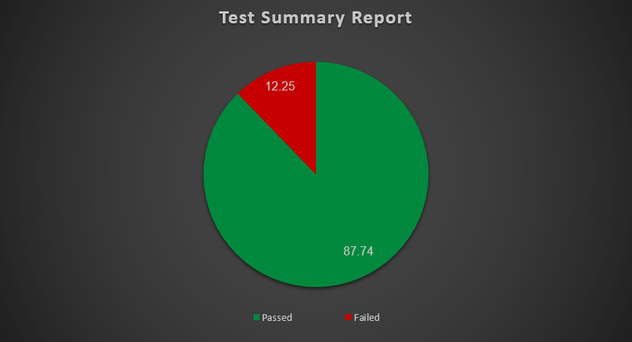
Executed | Passed |  |  |  |  | 272
 | Failed |  |  |  |  | 38
 | Total Test Executed (Pass + Failed) |  |  |  |  | 310
Pending |  |  |  |  |  | 0
In Progress |  |  |  |  |  | 0
Blocked |  |  |  |  |  | 0
(Sub Total) Test Planned |  |  |  |  |  | 310
Pending + In Progress + Blocked + Test Executed

Functions | Descriprion | TC Executed % | TS Passed % | TC Pending | Prioeity | Remarks
Employee account login | Verify employees can securely log in to their accounts with valid credentials and appropriate error handling for invalid attempts | 100% | 80% | 0 | High | -
Personal Details | Verify field is read-only | 100% | 60% | 0 | High | -
Photograph | Validate employees can upload, update, or remove their profile photo with supported formats (JPG, PNG, GIF) and size restrictions (e.g., 1MB max) | 100% | 85% | 0 | Medium | -
Contact Details | Ensure employees can view and edit personal contact information (address, phone, email) with proper validation | 100% | 81% | 0 | High | -
Emergency Contact | Test adding, editing, and deleting emergency contacts, including validation for required fields (name, relationship, phone) | 100% | 100% | 0 | High | -
Dependents | Verify operations for dependents (add/edit/delete) | 100% | 100% | 0 | High | -
Immigration | Test management of immigration documents (passport, visa), including expiry date tracking and document uploads | 100% | 100% | 0 | Medium | -
Job | Ensure employees can view job details (title, department, reporting to) without editing permissions | 100% | 100% | 0 | Medium | -
Salary | Validate employees can view salary information (amount, currency) without editing access | 100% | 100% | 0 | Medium | -
Report To | Verify employees can view supervisor/subordinate hierarchies (names, reporting methods) | 100% | 100% | 0 | Low | -
Qualifications | Work Experience: Add/edit/delete roles Education: Add degrees/certifications Skills/Languages: Add/update proficiencies Licenses: Upload/expiry tracking Attachments: File uploads | 100% | 85% | 0 | Medium | -
Membership | Validate adding professional memberships with optional details | 100% | 100% | 0 | Low | -
HR Admin account login | Verify secure admin login with role-based access controls | 100% | 89% | 0 | High | -
User Management | Test employee lifecycle actions (create/deactivate accounts, assign roles, reset passwords) | 100% | 91% | 0 | High | -
Job Management | Job Titles Pay Grades Employment Status Job Categories Work Shifts | 100% | 92% | 0 | High | -
Organization | General Info: Edit company details Locations: Add/edit/delete/bulk actions Structure: Manage units/subunits (drag-drop if applicable) | 100% | 93% | 0 | High | -
Qualifications | Skills Education Licenses Languages Memberships | 100% | 85% | 0 | Medium | -

